Sheet3
ERS_RA Risk Score Calculator
Instructions: Risk Factors refer to the variables in the risk score. Acceptable range refers to the acceptable values of the risk factors. The Current Profile refers to the values input for a given patient.
The Comparative Profile refers to the values input to compare with the Current Profile. This allows for an easy comparison with the Current Profile.

Risk Factor | Acceptable Range | Current Profile | Comparitive Profile
Age | 20-80 | 55 | 55
Gender | M=Male, F=Female | F | F
Diabetes | Y=Yes; N=No | N | N
Hyperlipidemia | Y=Yes; N=No | N | N
Hypertension | Y=Yes; N=No | Y | Y
Current tobacco use | Y=Yes; N=No | N | N
CDAI | Y if CDAI>10; N if CDAI≤10 | Y | N
mHAQ-DI > 0.5 | Y if mHAQ-Di>0.50; N if mHAQ-DI≤0.5 | Y | Y
Prednisone use | Y=Current Use; N=No Current Use | Y | N
RA Disease duration ≥ 10 y | Y if duration>10 yrs; N if duration≤10 yrs | Y | Y

Current Profile | The 10-Year ERS-RA risk score. | 9.3
Comparative Profile | 10-Year ERS-RA risk for a person with slightly different characteristics as the Current Profile. | 4.5
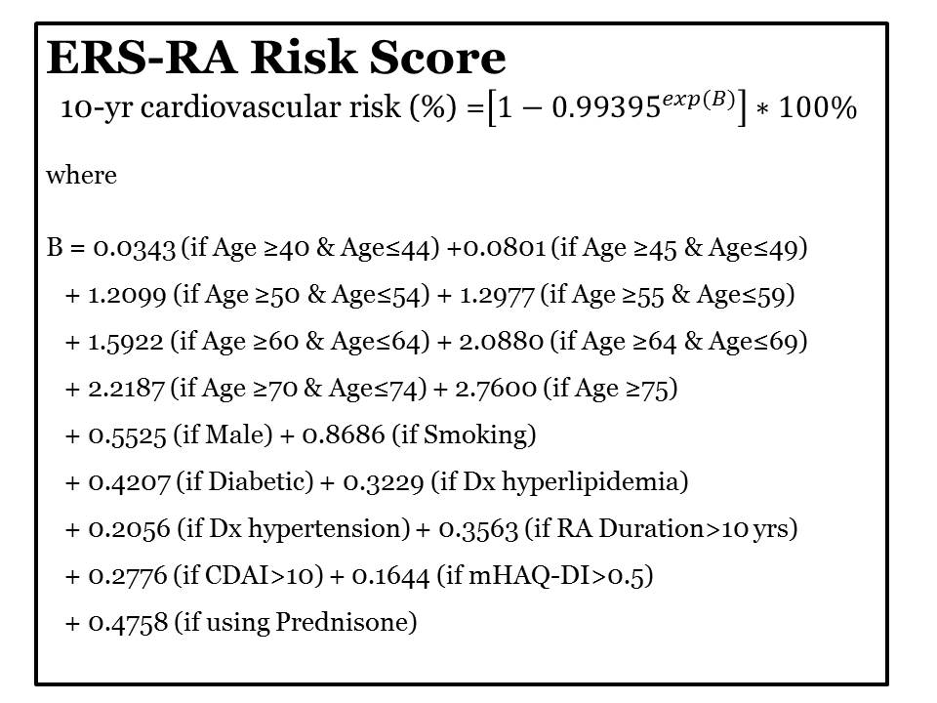

 |  |  |  | Disclaimer:
 |  |  |  | This ERS RA risk score calculator is not intended to provide treatment recommendations.
 |  |  |  | Treatment decisions should be made by the relevant clinician and patient.

